Sheet1
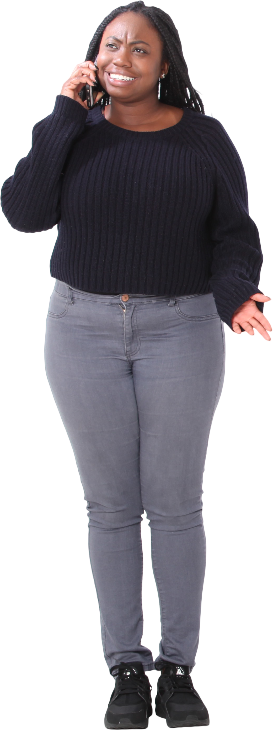
Names | Expected Answer
Stephenie M | Stephenie M
N B | Nicholas Sparks
David Baldacci David | Hirohiko Araki Matuso
Nicholas Sparks | Robin Cook
Hirohiko Araki Matuso | S Wilbur
Ramsey
Andrew Andrew Neiderman
Roger Wright Wright
List all valid names from A2:A11
The criteria for valid names are -
1. Has at least 2 words
2. At least one word should be > 1 character
3. No two words should be repeated
Robin Cook
S Wilbur

